Summary-ROC
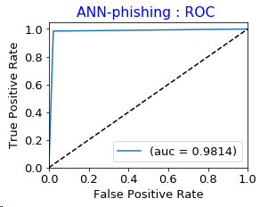
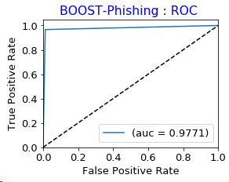
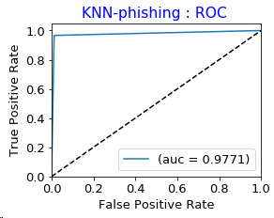
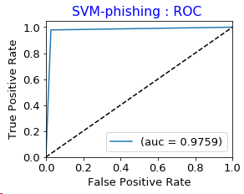
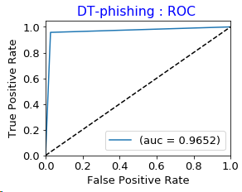
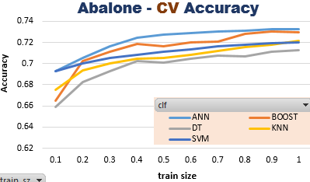
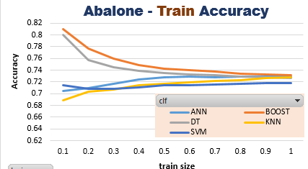
Classifier Comparsion
 |  | ABALONE
 |  |  | Accuracy |  | F1 | Recall | Precision | time
 | Rank |  | train | test |  |  |  | train | test
 | 3 | KNN | 0.7249 | 0.7305 | 0.6783 | 0.7305 | 0.6955 | 0.003 | 0.036
 | 4 | SVM | 0.7605 | 0.7305 | 0.6754 | 0.7305 | 0.6684 | 0.298 | 0.063
 | 5 | DT | 0.7263 | 0.7185 | 0.6591 | 0.7185 | 0.6354 | 0.009 | 0.000
 | 1 | BOOST | 0.7294 | 0.7329 | 0.6823 | 0.7329 | 0.6952 | 0.762 | 0.037
 | 2 | ANN | 0.7280 | 0.7327 | 0.6789 | 0.7337 | 0.6693 | 1.076 | 0.000

 |  | zero-R |  | 49.8204 | 0.331 | 0.498 | 0.248 | <--- baseline

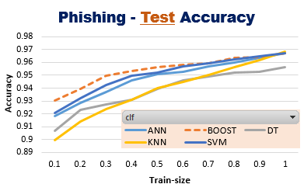
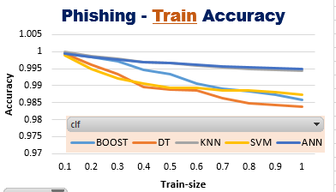
 |  | PHISHING WEBSITES
 |  |  | Accuracy |  | F1 | Recall | Precision | AUC | time
 | Rank |  | train | test |  |  |  |  | train | test
 | 2 | KNN | 0.9942 | 0.9783 | 0.9783 | 0.9783 | 0.9784 | 0.9771 | 0.00 | 0.05
 | 3 | SVM | 0.9872 | 0.9756 | 0.9756 | 0.9756 | 0.9757 | 0.9759 | 0.04 | 0.01
 | 5 | DT | 0.9820 | 0.9661 | 0.9661 | 0.9661 | 0.9661 | 0.9652 | 0.00 | 0.00
 | 4 | BOOST | 0.9849 | 0.9742 | 0.9742 | 0.9742 | 0.9744 | 0.9747 | 0.34 | 0.02
 | 1 | ANN | 0.9942 | 0.9810 | 0.9810 | 0.9810 | 0.9811 | 0.9814 | 2.80 | 0.00

 |  | zero-R |  | 0.5569 | 0.398 | 0.557 | 0.31 | 0.5 | <--- baseline

ROC-AUC

Time Complexity curves
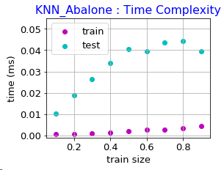
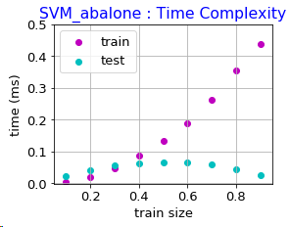
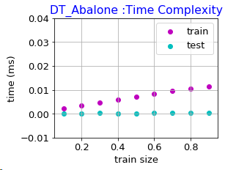
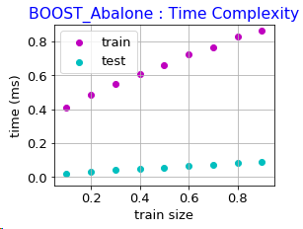
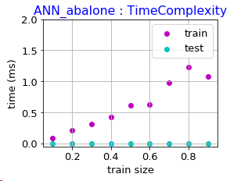
Phishing
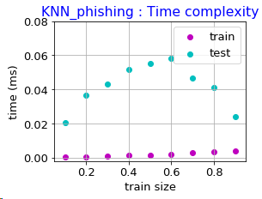
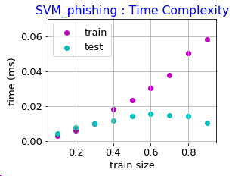
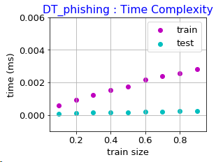
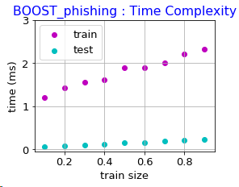
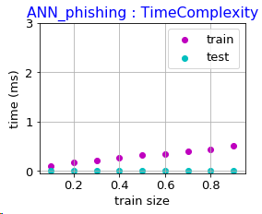
Unlike other 4 learning algorithms, KNN has low training time but high test-time as KNN is a lazy learner.
This is true for both datasets.

Abalone

